TEDB Edition 40
Overall, household vehicle occupancy remained the same in 2017 as in 2009. Sport utility vehicle occupancy declined from 1.90 to 1.83 from 2009 to 2017, while pickup truck occupancy stayed the same. Car occupancy was nearly the same in those years as well.

Figure 9.1. Average Vehicle Occupancy by Vehicle Type, 1995 NPTS and 2009, 2017 NHTS
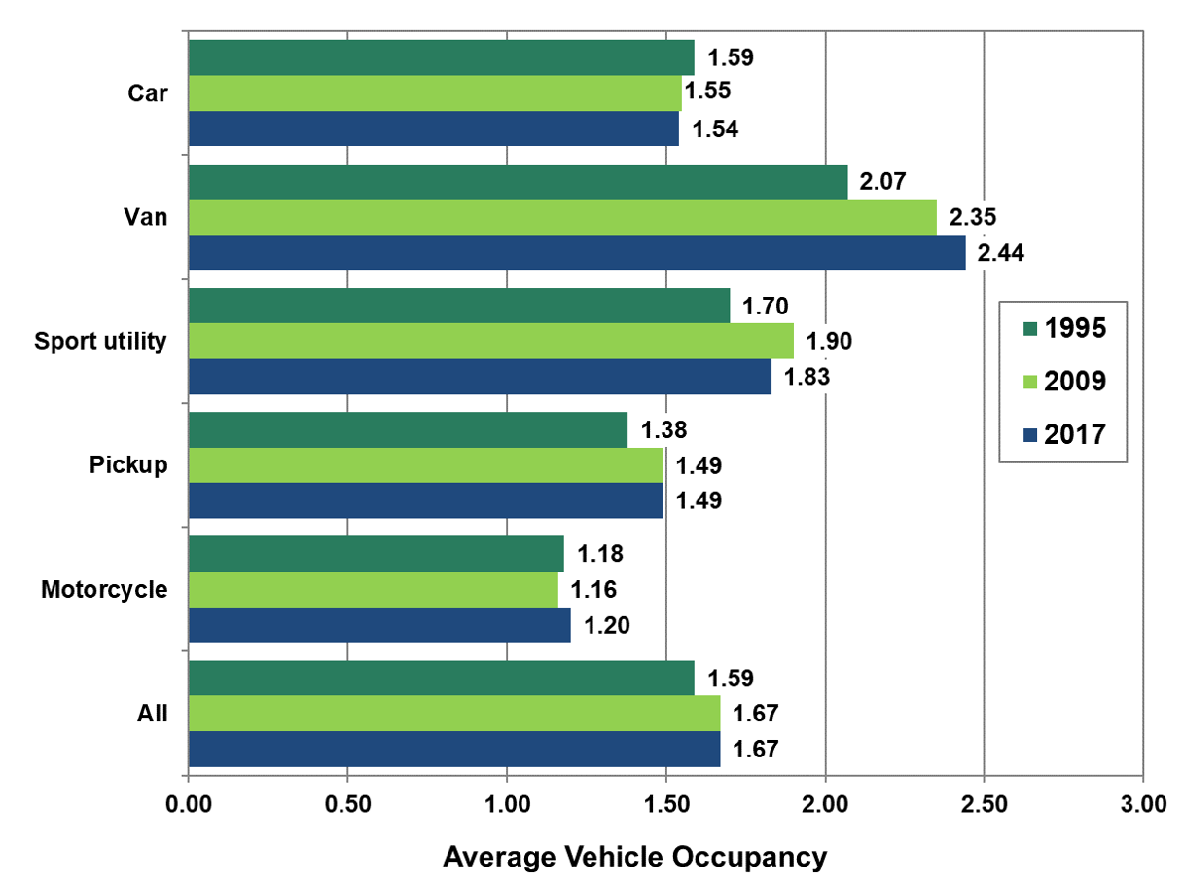

 |  | 1995 | 2009 | 2017
 | Car | 1.59 | 1.55 | 1.54
 | Van | 2.07 | 2.35 | 2.44
 | Sport utility | 1.70 | 1.90 | 1.83
 | Pickup | 1.38 | 1.49 | 1.49
 | Motorcycle | 1.18 | 1.16 | 1.20
 | All | 1.59 | 1.67 | 1.67

Note: Average vehicle occupancy is mileage-weighted and only includes privately operated household vehicles.

Sources:
Generated from the Department of Transportation, Federal Highway Administration, Nationwide Personal Transportation Survey Public Use Files, Washington, DC, 2000 and the 2017 National Household Travel Survey website nhts.ornl.gov. (Additional resources: nhts.ornl.gov)

